SHAP
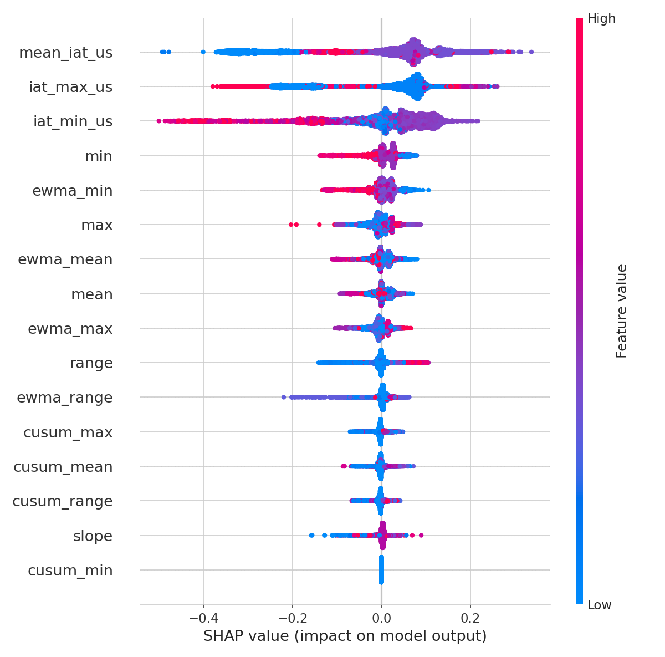
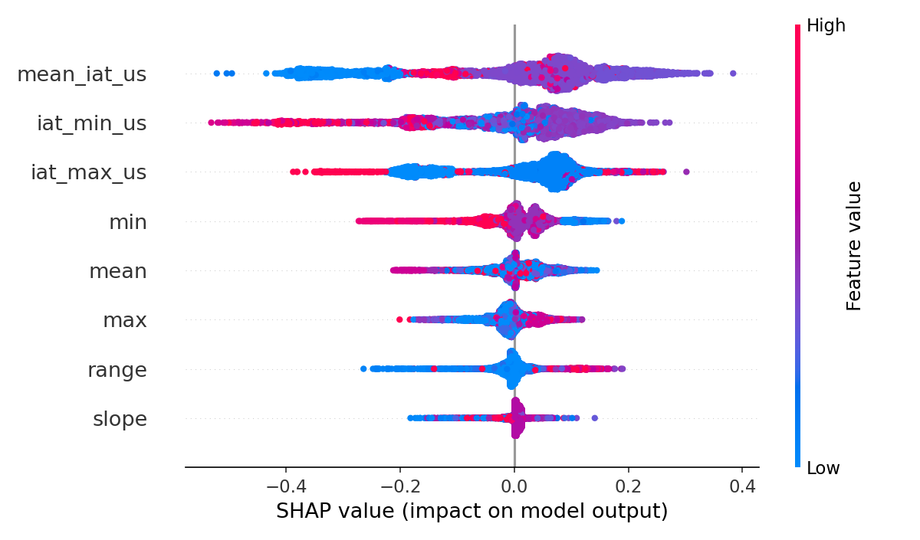
feature | shap_value | feature_value | importance | feature | shap_value | feature_value | importance
iat_min_us | 0.12370994478 | 1874.9237061 | 0.29890200451 | iat_min_us | 0.15531932667 | 1874.9237061 | 0.32055063774
mean_iat_us | 0.10326533884 | 258004.35005 | 0.23466240186 | mean_iat_us | 0.14489030507 | 258004.35005 | 0.24210364678
iat_max_us | 0.090435677966 | 501830.81627 | 0.18821757626 | iat_max_us | 0.097463219884 | 501830.81627 | 0.2164512693
min | 0.028148608062 | 10000 | 0.034072902041 | mean | 0.035454335964 | 10000 | 0.063601061684
mean | 0.016596515982 | 10000 | 0.030700829244 | min | 0.028821529745 | 10000 | 0.05351886324
ewma_min | 0.014705742817 | 10000 | 0.030113727573 | max | -0.025799959293 | 10000 | 0.046212755326
ewma_range | 0.012740162208 | 0 | 0.029994698585 | range | 0.013259881098 | 0 | 0.029337259842
ewma_mean | 0.012593319056 | 10000 | 0.029710973793 | slope | 0.0084884310083 | -2.09E-13 | 0.028224506084
max | -0.012060044583 | 10000 | 0.027950051436
ewma_max | -0.009227309207 | 10000 | 0.021338372086
slope | 0.0042426453303 | -2.09E-13 | 0.01860354054
cusum_max | -0.00093831163349 | 0 | 0.016433829174
cusum_range | -0.00091044079192 | 0 | 0.014535983682
cusum_mean | -0.00040449722468 | 0 | 0.012854618511
range | 0.00033549377526 | 0 | 0.011908490703
cusum_min | 0 | 0 | 0

